Instructions
How to Guide: Expense Reimbursement Per Diem Worksheet –
Non State employee

Please use the following steps while completing the Expense Reimbursement Per Diem Worksheet for Non State Employees:

REMINDER – Non State employees are not subject to the 70% Nebraska per diem rate that is imposed by the Department of Administrative Services. The Non State Employee worksheet will reflect 100% of the federal GSA allowable per diem rates based on destination of travel.

1) Begin with tab ‘Trips – Per Diem Calc’. Enter the State and Destination city in columns B & C.

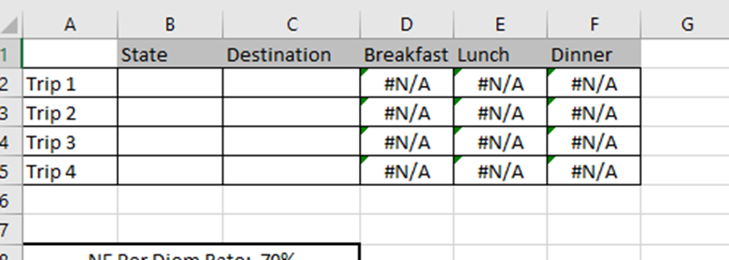

2) Use the link below to calculate the per diem amounts (columns D, E, F) for the location entered
 | GSA Rates
Note: Please list a different trip for each FINAL destination city. If the trip were a flight from Omaha to
Tampa with a layover in Dallas, there would only be 1 trip with the final destination of Tampa.

3) Move to tab ‘Sheet 3’. Enter the month/day, stated purpose of the trip, and start/stop times. You will enter a separate line item for each day of travel.

4) Use drop down in column F to select Trip number. You must select a trip number for each line item and this is used to calculate the daily per diem for meals and incidentals. Once the trip number is selected the spreadsheet automatically fills in the State and City destination from the previous tab.

5) Use the check boxes to select whether or not the specific day is the first or last day of travel. Use the check boxes to select the meals to be included in the daily per diem. Reminder: Meals provided by other sources should not have their box checked (provided by conference or hotel, etc)

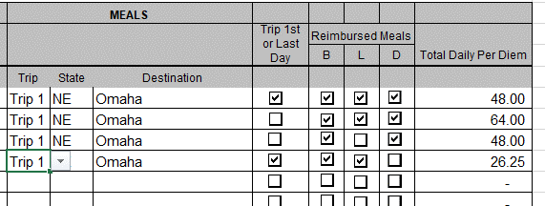

The daily per diem is automatically calculated based on the boxes that are checked for each day.

Example:
If your destination city is Tampa, Florida, the calculations for each day are as follows:
 | Per Diem rates for Tampa per GSA
 | Breakfast - $16 Lunch - $17 Dinner - $31 Incidental - $5

 | Day 1 = $16 + $17 + $31 + $5 = $69 x 75% = $51.75 (first/last day of travel).
 | Day 2 = $16 + $17 + $31 + $5 = $69
 | Day 3 = $16 + $17 + $31 + $5 = $69
 | Day 4 = $16 + $17 + $31 + $5 = $69 x 75% = $51.75 (first/last day of travel).

 | These amounts represent daily per diem amounts and will be paid regardless of actual expenses. No further documentation beyond this expense log (ERD Per Diem Worksheet – Non State Employee) is required in order to receive the per diem payments (actual receipts not required for meals and incidentals).

